SCO Structured Vocabulary
Term | Natural Language Definition | Reused From (Ontology Acronym) | Belonging Ontology Homepage | URI | Synonym | Upper Level Class (Is_a) | Annotation
system | A material entity consisting of multiple components that are causally integrated. | RO | https://github.com/oborel/obo-relations/ | http://purl.obolibrary.org/obo/RO_0002577 | XXXX | fiat object part | This class defines a system as a material entity. However, a system is a fiat object (part) (Landgrebe and Smith 2022, p.118). We recommend a revision of this class. Alternative classes for the term "system" are proposed by other ontologies. Nevertheless, we decided to choose the RO one, as widely reused among OBO-Foudry-compliant ontologies. Reference: Landgrebe, Jobst, and Barry Smith. 2022. Why Machines Will Never Rule the World: Artificial Intelligence without Fear. Taylor & Francis.
complex system | A system whose system components interact dynamically and nonlinearly, causing the emergence of a collective nontrivial and self-organized behavior. No internal/external centralized controls are required. | XXXX | XXXX | XXXX | Related synonym: socio-ecological system, social-ecological system. | system | A "complex system(s)" class belongs to both IOBC (http://purl.jp/bio/4/id/200906033993517889) and I2SV (https://i2insights.org/index/integration-and-implementation-sciences-vocabulary#complex-systems). The first one does not provide a definition. This term is cardinal in SCO. Thus, we proposed a "complex system" class for SCO. A "social-ecological system" class belongs both to EnvThes (http://vocabs.lter-europe.net/EnvThes/21908) and IOBC (http://purl.jp/bio/4/id/201406059151625127).
system environment | A fiat object (part) that surrounds and is distinct and disjoint from a system. | XXXX | XXXX | XXXX | system context. | fiat object part | XXXX
complex system environment | A system environment that surrounds and is distinct and disjoint from a complex system. | XXXX | XXXX | XXXX | complex system context. | system environment | XXXX
system component | An object that belongs to a system. | XXXX | XXXX | XXXX | system element. Related synonym: system agent, system variable. | fiat object part | An "Agent" class belongs to both CCO (http://www.ontologyrepository.com/CommonCoreOntologies/Agent) and IOF (https://spec.industrialontologies.org/ontology/core/Core/Agent). The definition of the IOF class is adapted from the CCO one. At the moment the IOF class excludes non-human agents and material substances generally considered agents.
complex system component | A system component that belongs to a complex system. | XXXX | XXXX | XXXX | complex system element. Related synonym: complex system agent, complex system variable. | system component | XXXX
interaction | Interaction is a processual entity that has two or more participants (i.e., interactors) that have an effect upon one another. | INO | https://github.com/INO-ontology/ino | http://purl.obolibrary.org/obo/INO_0000002 | XXXX | process | XXXX
interaction among system components | An interaction that occurs among at least two system components. | XXXX | XXXX | XXXX | Related synonym: relation among system components, interconnection among system components. | interaction | XXXX
interaction between system components and the system environment | An interaction that occurs between at least one system component and the system environment of the system to which the system component belongs. | XXXX | XXXX | XXXX | Related synonym: relation between system components and the system environment, interconnection between system components and the system environment. | interaction | XXXX
interaction among complex system components | An interaction that occurs among at least two system components of a complex system. | XXXX | XXXX | XXXX | Related synonym: relation among complex system components, interconnection among complex system components. | interaction among system components | XXXX
interaction between complex system components and the complex system environment | An interaction that occurs between at least one complex system component and the complex system environment of the complex system to which the complex system component belongs. | XXXX | XXXX | XXXX | Related synonym: relation between complex system components and the complex system environment, interconnection between complex system components and the complex system environment. | interaction between system components and the system environment | XXXX
stakeholder | A complex system component with a stakeholder role. | XXXX | XXXX | XXXX | complex system stakeholder, system stakeholder. | complex system component | Stakeholder is a debated term. To date, a common definition is not available (Keith and Jonathan 2017; Miles 2017). The term is primarily used to refer to humans and human organizations. Nevertheless, humans (and related organizations) may not be the only stakeholders of a complex system. Reference: Keith, Mcgrath Stephen, and Whitty Stephen Jonathan. 2017. “Stakeholder Defined.” International Journal of Managing Projects in Business 10 (4): 721–48; Miles, Samantha. 2017. “Stakeholder Theory Classification: A Theoretical and Empirical Evaluation of Definitions.” Journal of Business Ethics: JBE 142 (3): 437–59.
stakeholder-role | A role whose realization leads the complex system component to be recognized as a bearer, in the belonging complex system, of at least one role (different from the role of stakeholder) and/or disposition (primarily a disposition to benefit/be damaged as being part of that complex system). | XXXX | XXXX | XXXX | XXXX | role | XXXX
perspective | A disposition whose realization leads the complex system component to (re)position itself within and regarding the complex system it belongs to (or a part of it) and possibly act accordingly. | XXXX | XXXX | XXXX | XXXX | disposition | IOBC presents a "perspective" class (http://purl.jp/bio/4/id/200906069170620190). Nevertheless, no definition is provided. Further, "pulsed fluoroscopy" is a subclass. It does not appear an adequate class to reuse.
stakeholder perspective | A perspective that is bearered by a stakeholder. | XXXX | XXXX | XXXX | complex system stakeholder perspective, system stakeholder perspective. | perspective | XXXX

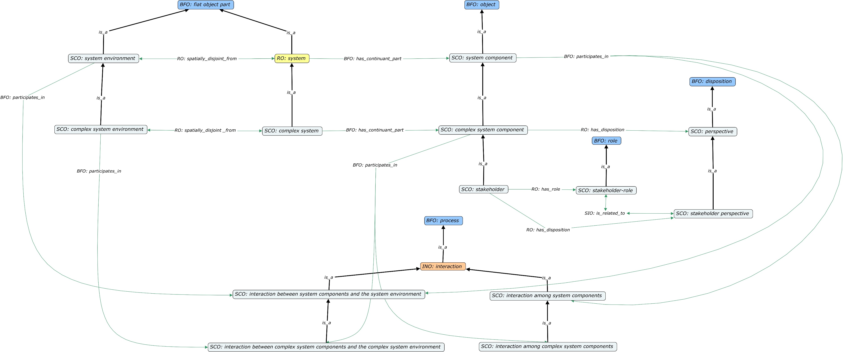

Supplementary Fig. S1 The structured vocabulary of SCO.

